SETUP
Track Meet Setup

Track Meet Name | [Track Meet Name] | <-- Type here in the yellow boxes
Meet Date | [Date]

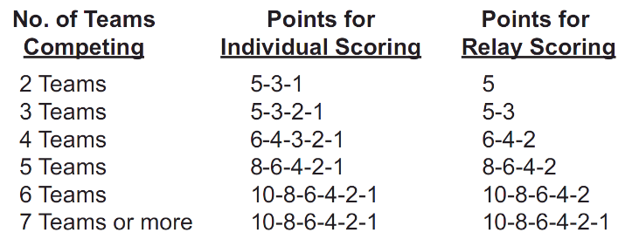
Scoring/Points (Individual Events) |  |  | LHSAA & National Federation Points System
1st | 10
2nd | 8
3rd | 6
4th | 4
5th | 2
6th | 1

Scoring/Points (Relay Events)
1st | 10
2nd | 8
3rd | 6
4th | 4
5th | 2
6th | 1

